Folha1
STOCK
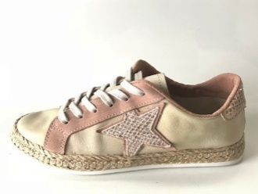 | bege | Ref:. 3214
 |  | 35 | 36 | 37 | 38 | 39 | 40 | 41 | 42 | 43 | 44 | TOTAL:
 |  | 6 | 13 | 17 | 33 | 19 | 8 |  |  |  |  | 96
 | rosa

 | castanho | Ref:. 3214
 |  | 35 | 36 | 37 | 38 | 39 | 40 | 41 | 42 | 43 | 44 | TOTAL:
 |  | 17 | 38 | 42 | 59 | 36 | 17 |  |  |  |  | 209
 | sola branca

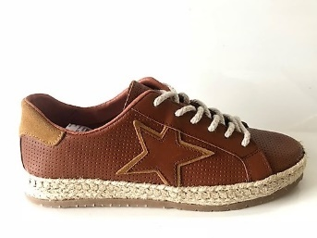 | castanho | Ref:. 3214
 |  | 35 | 36 | 37 | 38 | 39 | 40 | 41 | 42 | 43 | 44 | TOTAL:
 |  | 6 | 22 | 39 | 29 | 22 | 10 |  |  |  |  | 128
 | sola caramelo

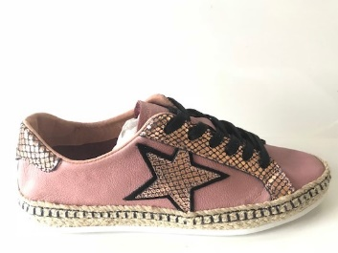 |  | Ref:. 3214
 |  | 35 | 36 | 37 | 38 | 39 | 40 | 41 | 42 | 43 | 44 | TOTAL:
 |  |  | 1 | 1 |  |  |  |  |  |  |  | 2
 | rosa

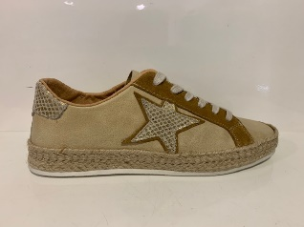 | bege | Ref:. 3214
 |  | 35 | 36 | 37 | 38 | 39 | 40 | 41 | 42 | 43 | 44 | TOTAL:
 |  | 17 | 35 | 49 | 68 | 43 | 16 |  |  |  |  | 228
 | camel

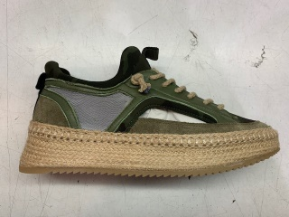 | VERDE | Ref:. 3421
 |  | 35 | 36 | 37 | 38 | 39 | 40 | 41 | 42 | 43 | 44 | TOTAL:
 |  |  |  | 2 | 3 | 4 | 3 | 2 | 1 |  |  | 15

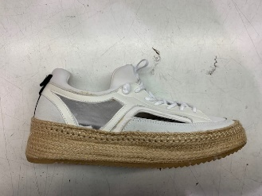 | BRANCO | Ref:. 3421
 |  | 35 | 36 | 37 | 38 | 39 | 40 | 41 | 42 | 43 | 44 | TOTAL:
 |  |  | 1 | 2 | 3 | 2 | 1 | 1 |  |  |  | 10

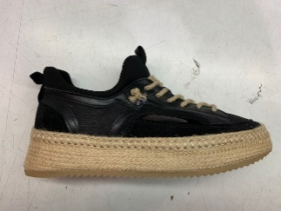 | PRETO | Ref:. 3421
 |  | 35 | 36 | 37 | 38 | 39 | 40 | 41 | 42 | 43 | 44 | TOTAL:
 |  |  | 1 | 2 | 3 | 3 | 2 | 1 |  |  |  | 12

 |  |  |  |  |  |  |  |  | TOTAL |  |  | 700

